KPIs
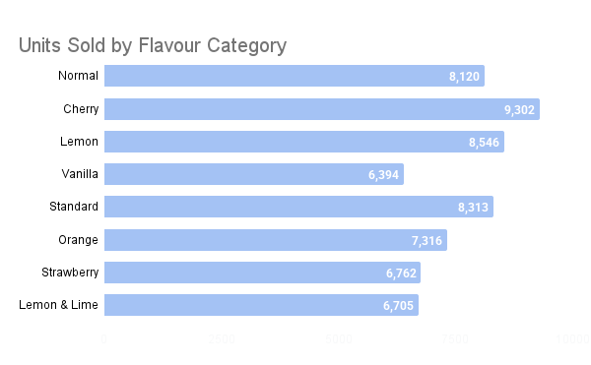
Total Units Sold | Total Revenue | Avg. Unit Cost | Top Performing Market | Best-Selling Flavour | Leading Brand | Descriptive Statistics |  | Rank | Brand | Flavour | Market | Units Sold | Unit Cost | Revenue (£)
61458 | £92,699.42 | £1.52 | Spain - 12016 | Cherry - 9302 | Cola - 32362 | Mean Units Sold | 1,280 | 1 | Cola | Normal | Spain | 1,945 | £1.92 | £3,734.40
 |  |  |  |  |  | Median Units | 1,378 | 2 | Cola | Cherry | Ireland | 1,832 | £1.83 | £3,352.56
 |  |  |  |  |  | Std. Deviation | 477.7 | 3 | Fruit | Standard | UK | 1,680 | £1.81 | £3,040.80
 |  |  |  |  |  | Price Variance | 0.08 | 4 | Cola | Lemon | Ireland | 1,790 | £1.69 | £3,025.10
Flavour Performance: Volume vs. Revenue
Market Reach (Total Volume)
Financial Efficiency (Unit Yield)
 |  |  |  |  |  |  |  | 5 | Fruit | Strawberry | UK | 1,512 | £1.99 | £3,008.88

Regional Volume Distribution
Market Yield Analysis

